Data Cleaning Steps
Step 1: | Import data into excel file
 | Data---->Get Data----->From File---->From Workbook
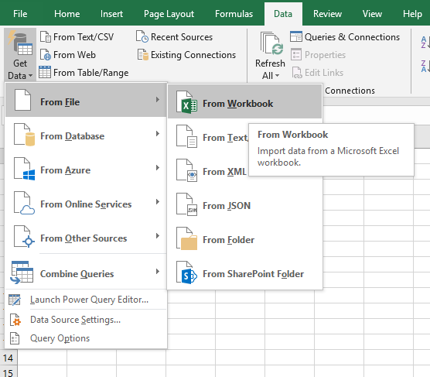

Step 2: | Select the data set and import

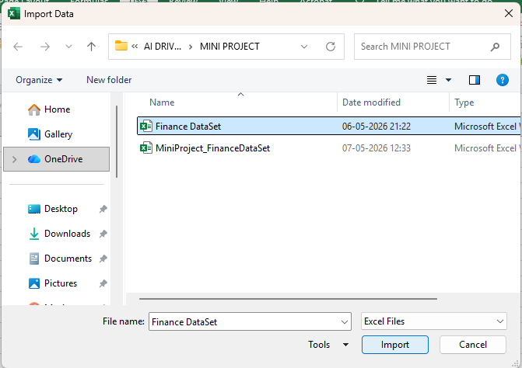

Step 3 : | From the pop-up window, select the table "Finance_Data"and click "Load".

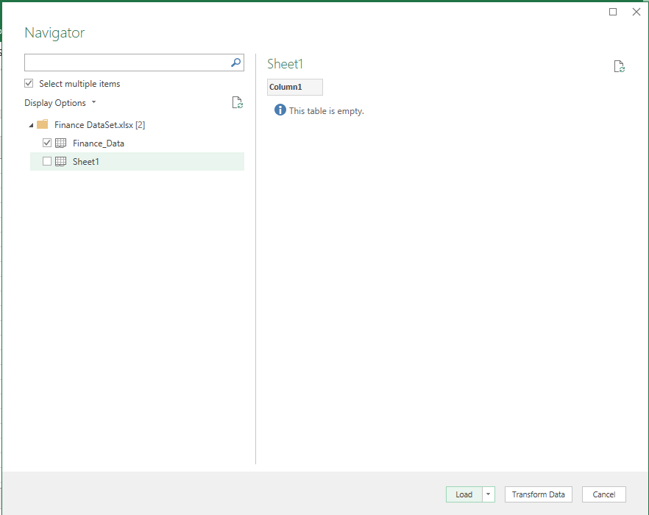

 | the data will be loaded as a table to the excel file.

Step 4: | Select the entire table and go to "Data Tab"
 | Data Tab--->Remove Duplicates
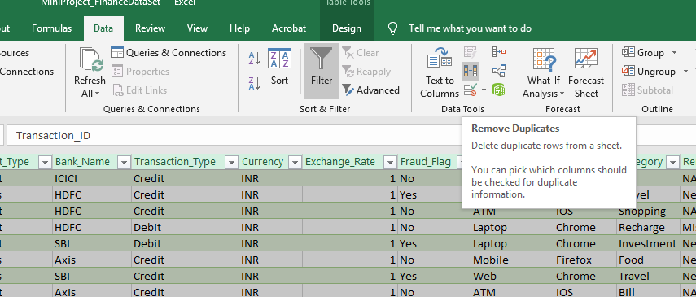

 | In the popup window, Select all Columns and Tick "My data has headers" and Click OK.
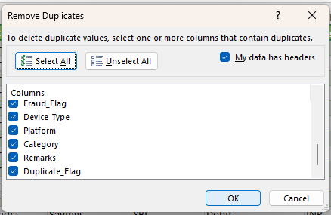

 | NO Duplicate Values Found
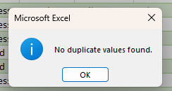

Step 5: | Updated the data type of each column as follows
 | Transaction_ID |  | General
 | Date |  | Date
 | Customer_Name |  | Text
 | Amount |  | Number
 | Payment_Mode |  | Text
 | Status |  | Text
 | City |  | Text
 | State |  | Text
 | Country |  | Text
 | Account_Type |  | Text
 | Bank_Name |  | Text
 | Transaction_Type |  | Text
 | Currency |  | Text
 | Exchange_Rate |  | Number
 | Fraud_Flag |  | Text
 | Device_Type |  | Text
 | Platform |  | Text
 | Category |  | Text
 | Remarks |  | Text
 | Duplicate_Flag |  | Text

Step 6: | Coulmn "Customer_Name" has missing values. |  |  |  |  | 1241
 | `=COUNTBLANK(Finance_Data__2[Customer_Name])

 | New column "Customer_Name _Updated" created by filling missing values with "Unknown_Customer"
 | `=IF([@[Customer_Name]]<>"",PROPER(TRIM(CLEAN([@[Customer_Name]]))),"Unknown_Customer")

Step 7: | The Column "Amount" has negetive values. To clear this ABS() is used and a new column "Amount_Updated" is created
 | `=ABS([@Amount])

Step 8: | Payment_Mode

 | Row Labels | Count of Payment_Mode |  | Blank Count | 2401
 | Card | 2425
 | Cash | 2421
 | NetBanking | 2437
 | UPI | 2316
 | (blank)
 | Grand Total | 9599 |  | Total | #REF!

 | Column "Payment_Mode" has empty cells, these cells can be updated using MODE, as it is a categorical data.
 | A pivot table is created to find the mode value.
 | NetBanking is the mode value here.
 | A new column "Payment_Mode_Updated" is created
 | `=IF([@[Payment_Mode]]<>"",TRIM(CLEAN([@[Payment_Mode]])),"NetBanking")

Step 9: | Here cities are mapped to the wrong states
 | A new column "State_Updated" is created as follows
 | City | State
 | Bangalore | Karnataka
 | Chennai | Tamil Nadu
 | Delhi | Delhi
 | Hyderabad | Telangana
 | Kochi | Kerala
 | Kolkata | West Bengal
 | Mumbai | Maharashtra
 | Trivandrum | Kerala

 | `=IF([@City]="Bangalore","Karnataka",IF([@City]="Chennai","Tamil Nadu",IF([@City]="Delhi","Delhi",IF([@City]="Hyderabad","Telangana",IF([@City]="Kochi","Kerala",IF([@City]="Kolkata","West Bengal",IF([@City]="Mumbai","Maharashtra","Kerala")))))))

Step 10 : | There are several logically inconsistent mappings between Device_Type and Platform.

 | "Platform_Updated" column created as follows:
 | Device_Type | Platform
 | Laptop | Chrome/Firefox
 | Mobile | Android/iOS
 | Web | Chrome/Firefox
 | ATM | ATM

 | `=IF([@[Device_Type]]="Laptop","Chrome/Firefox",IF([@[Device_Type]]="Mobile","Android/iOS",IF([@[Device_Type]]="Web","Chrome/Firefox","ATM")))

Step 11: | Select rows with Dupliccate_Flag = Yes, using filters

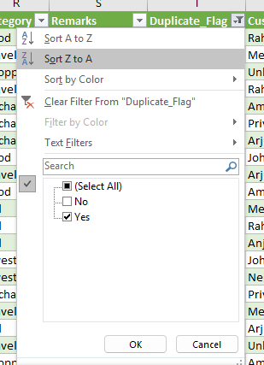

 | Select the filtered table and go to Data Tab ----> Remove Duplicate ----> From the popup window select the columns "Transaction_ID","Date" and "Amount_Updated"
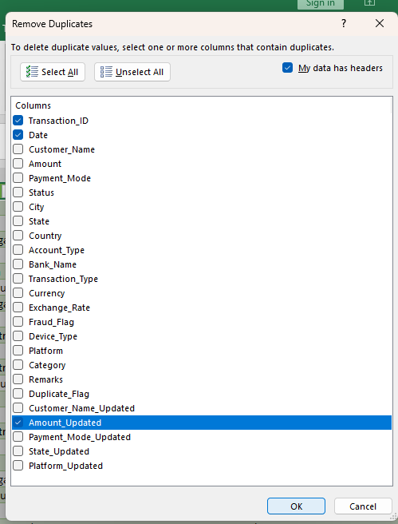
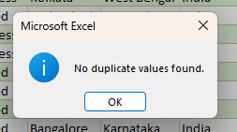

Step 11: | No duplicate entry found, thus added a new column "Duplicate_Flag_Updated" with value "No"

step 12: | The Remarks column was omitted from analysis due to high missing values and low analytical relevance

Sheet1
1)
Data Cleaning and Transformation of Finance_DataSet

Handling Duplicate Values

Step 1: Duplicate values can be handled by removing duplicates
Go to Data -> Data Tools -> Remove Duplicates
Step 2: Select the relevant columns to check for duplicate entries based on your data criteria and if your data has headers make sure “My data has Headers” checked

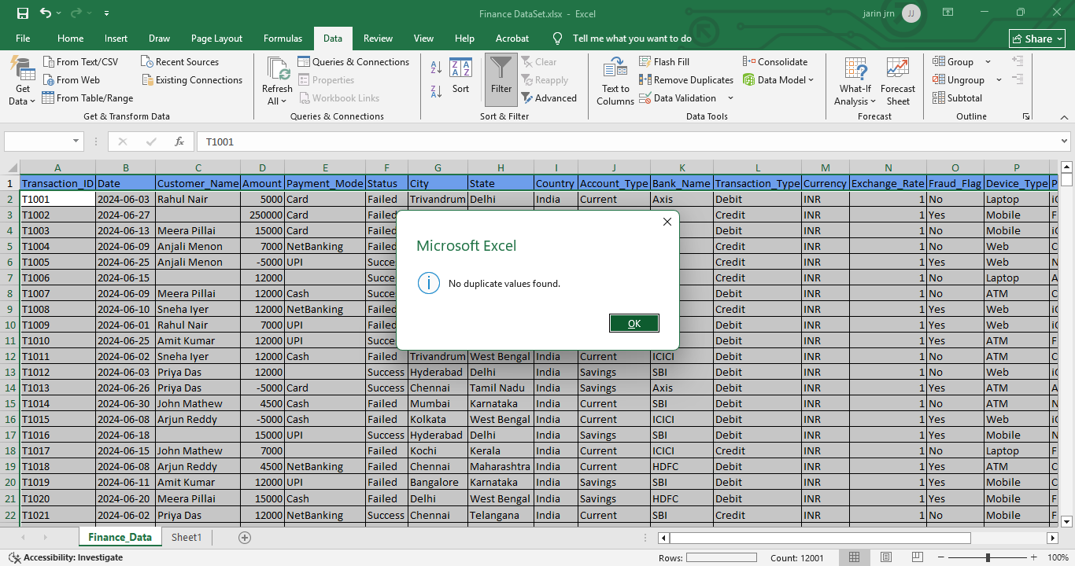

Step 3: Any duplicate values will be removed. Since no duplicates were found, a pop up will appear stating 'No duplicate values.

2) Validating that all column data types are formatted correctly and update each column as below format

Transaction_ID | General
Date | Date
Customer_Name | Text
Amount | Number
Payment_Mode | Text
Status | Text
City | Text
State | Text
Country | Text
Account_Type | Text
Bank_Name | Text
Transaction_Type | Text
Currency | Text
Exchange_Rate | Number
Fraud_Flag | Text
Device_Type | Text
Platform | Text
Category | Text
Remarks | Text
Duplicate_Flag | Text

3) Used Power Query editor to check column quality
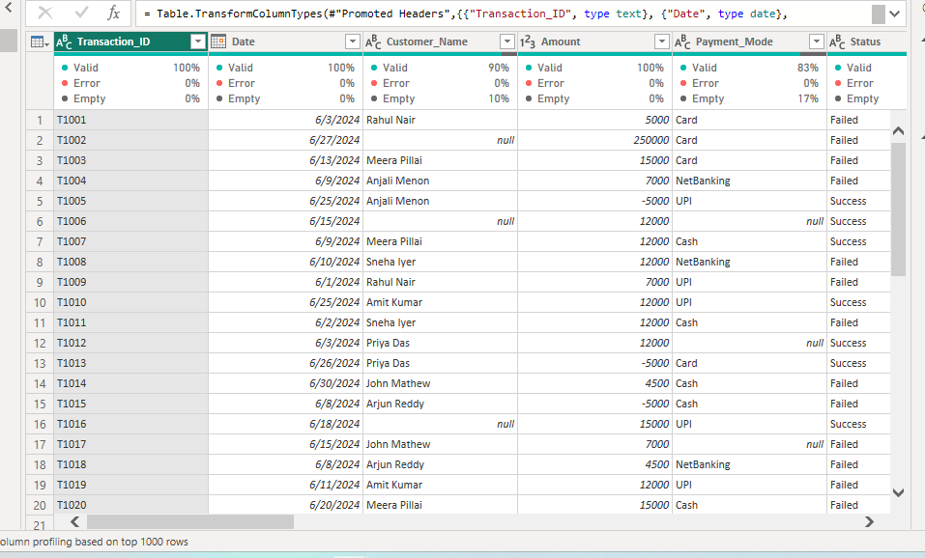

Customer_Name and Payment_Mode columns contains empty cells. Empty cells are handled using Imputation process

COUNTBLANK() used to find no.of empty cells in a column

Empty cells in Customer_Name column : 1241
=COUNTBLANK(Table1[[#All],[Customer_Name]])
Empty cells are handled by creating new column “Customer_Name_Updated “and filled these column by imputing “unknown” value.
=IF([@[Customer_Name]]<>"",PROPER(TRIM(CLEAN([@[Customer_Name]]))),"Unknown")

Empty cells in Payment_Mode column : 2401
=COUNTBLANK(Table1[[#All],[Payment_Mode]])
Empty cells are handled by creating new column “Payment_Mode_Updated “and filled these column by Mode value “Net Banking”.
=IF([@[Payment_Mode]]<>"",PROPER(TRIM(CLEAN([@[Payment_Mode]]))),"Netbanking")

4) Amount column contains negative values. To handle this new column created as “Amount_Updated” and used ABS()
=ABS([@Amount])

5) There is a mismatch between state and city column. To handle this new column created as “State_Updated” and used IFS()
=IFS([@City]="Trivandrum","Kerala",[@City]="Kochi","Kerala",[@City]="Bangalore","Karnataka",[@City]="Chennai","Tamil Nadu",[@City]="Delhi","Delhi",[@City]="Hyderabad","Telangana",[@City]="Kolkata","West Bengal",[@City]="Mumbai","Maharashtra")

6) There is a mismatch between Device_Type and Platform. To Handle this new column created as “Platform_Updated” and used IFS()
=IFS([@[Device_Type]]="Laptop","Chrome/Firefox",[@[Device_Type]]="Web","Chrome/Firefox",[@[Device_Type]]="Mobile","iOS/Android",[@[Device_Type]]="ATM","ATM")

7) Modifying the “Duplicate_flag” column values to 'No' since all records are unique. Here we can use “find and replace” tool

